Sheet1
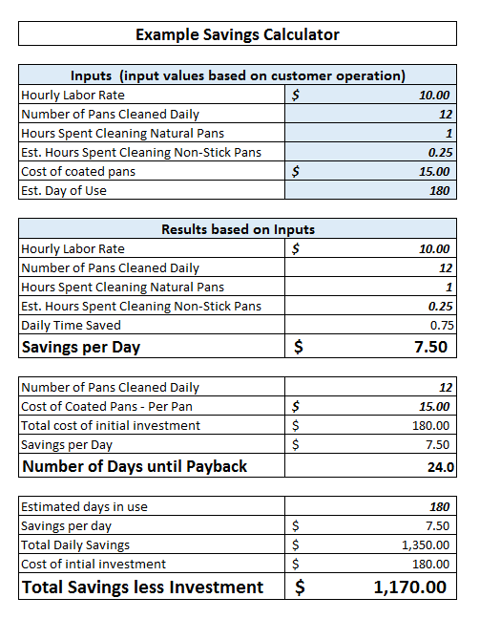

Savings Calculator

Inputs (input values based on customer operation)
Hourly Labor Rate
Number of Pans Cleaned Daily
Hours Spent Cleaning Natural Pans
Est. Hours Spent Cleaning Non-Stick Pans
Cost of coated pans
Est. Days of Use

Results based on Inputs
Hourly Labor Rate | $-
Number of Pans Cleaned Daily | 0
Hours Spent Cleaning Natural Pans | 0
Est. Hours Spent Cleaning Non-Stick Pans | 0
Daily Time Saved | 0
Savings per Day | $-

Number of Pans Cleaned Daily | 0
Cost of Coated Pans - Per Pan | $-
Total cost of initial investment | $-
Savings per Day | $-
Number of Days until Payback | #DIV/0!

Estimated days in use | -
Savings per day | $-
Total Daily Savings | $-
Cost of intial investment | $-
Total Savings less Investment | $-

